Sheet1
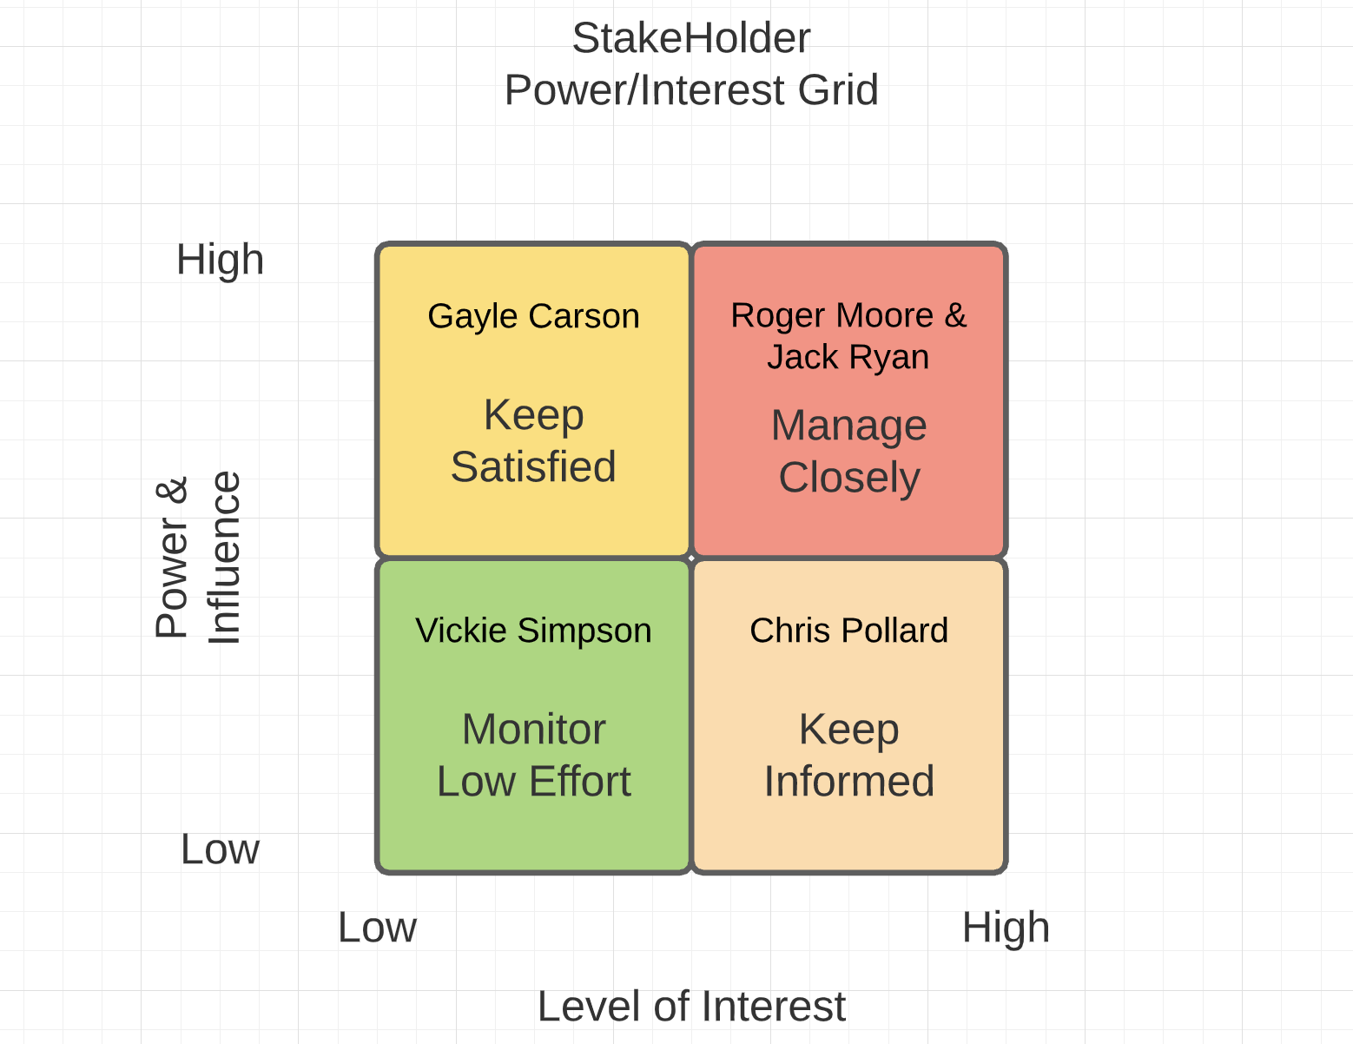
Name of the Stakeholder | Role/Title | Level of Power/Influence | Level of Interest | Frequency of Communication | Communication Type | Expectations | Notes
Roger Moore | Senior Finance Manager | Leading | Manage Closely | Weekly, Monthly | Weekly- Hardcopies and Emails- Project Status report Monthly- Project Cost Management Report | On Time Review | Influencer and send periodic reports on time Keen monitor on sending the reports Zero Error and high reliable metrics
Gayle Carson | Lead PMO | Leading | Keep Satisfied | Weekly, Monthly | Weekly- Emails- Project Status report Monthly- PMO Compliance Report | On Time Review and Approval | All the reports should be reviewed and approved prior sending
Vickie Simpson | Org Resource Coordinator | Supportive | Monitor(Minimal Effort) | Weekly | Weekly - Status report , Project Staffing report | Coordinate well when requested | Very minimal effort , easy to communicate , available online and turn around immediate when requested
Chris Pollard | Project Programmer | Neutral | Keep Informed | Weekly | Weekly - Status report | Has direct access to project Record keeping the files | Keep informed and update
Jack Ryan | Payroll System Manager | Leading and Supportive | Manage Closely | Weekly, Monthly | Weekly - Status report Monthly- Payroll Validation Report | On Time Review and Approval | Influencer and supportive , send reports on time and communicate enough for changes

